Sheet1
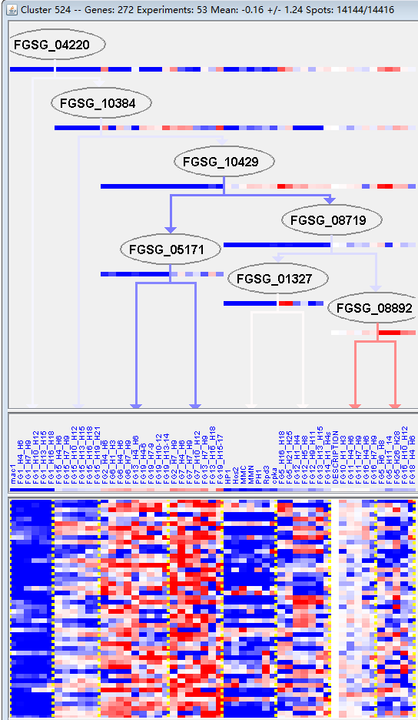
k | Filter | FUNCTIONAL CATEGORY | abs SET | rel SET | genes SET | abs GENOME | rel GENOME | rel SET/rel GENOME | P-VALUE | Bonferroni_corr | FDR
01.01.06 metabolism of the aspartate family | 11 | 4.82 | FGSG_00903 FGSG_01285 FGSG_01730 FGSG_04298 FGSG_03481 FGSG_03147 FGSG_06098 FGSG_06536 FGSG_06758 FGSG_07127 FGSG_10029 | 137 | 0.99 | 4.868686869 | 1.65E-05
01.01.06.06 metabolism of lysine | 5 | 2.19 | FGSG_01285 FGSG_03481 FGSG_06536 FGSG_06758 FGSG_10029 | 55 | 0.39 | 5.615384615 | 0.002076445
34.11.01 photoperception and response | 4 | 1.75 | FGSG_02364 FGSG_04605 FGSG_12488 FGSG_02972 | 41 | 0.29 | 6.034482759 | 0.004522401
01.01 amino acid metabolism | 20 | 8.77 | FGSG_00903 FGSG_01285 FGSG_01730 FGSG_02379 FGSG_02427 FGSG_02465 FGSG_04298 FGSG_04218 FGSG_03481 FGSG_03147 FGSG_06098 FGSG_06536 FGSG_06758 FGSG_07127 FGSG_07226 FGSG_10029 FGSG_10351 FGSG_10967 FGSG_10870 FGSG_11293 | 649 | 4.69 | 1.869936034 | 0.005398736
01.01.06.01 metabolism of aspartate | 3 | 1.31 | FGSG_01730 FGSG_04298 FGSG_06098 | 25 | 0.18 | 7.277777778 | 0.007787787
20.03.02.03 antiporter | 5 | 2.19 | FGSG_00226 FGSG_03716 FGSG_05705 FGSG_07860 FGSG_10029 | 75 | 0.54 | 4.055555556 | 0.007905052
01.01.03.05 metabolism of arginine | 4 | 1.75 | FGSG_03481 FGSG_06098 FGSG_10029 FGSG_10967 | 48 | 0.34 | 5.147058824 | 0.007945975
01.02.02.09 catabolism of nitrogenous compounds | 3 | 1.31 | FGSG_11914 FGSG_04402 FGSG_10967 | 28 | 0.2 | 6.55 | 0.010698444
32.05.01.01 antibiotic resistance | 2 | 0.87 | FGSG_12141 FGSG_03716 | 10 | 0.07 | 12.42857143 | 0.011166451
16.21 complex cofactor/cosubstrate/vitamine binding | 16 | 7.01 | FGSG_00054 FGSG_00100 FGSG_00665 FGSG_01285 FGSG_01730 FGSG_02379 FGSG_02427 FGSG_02465 FGSG_04251 FGSG_12365 FGSG_03431 FGSG_03262 FGSG_03147 FGSG_07127 FGSG_09195 FGSG_10998 | 514 | 3.71 | 1.889487871 | 0.011267802
01.05.13 transfer of activated C-1 groups | 5 | 2.19 | FGSG_04298 FGSG_12571 FGSG_05090 FGSG_07093 FGSG_07127 | 84 | 0.6 | 3.65 | 0.012560418
01.20.17.09 metabolism of alkaloids | 3 | 1.31 | FGSG_00100 FGSG_01285 FGSG_10998 | 31 | 0.22 | 5.954545455 | 0.01415914
01.01.09.03.01 biosynthesis of cysteine | 2 | 0.87 | FGSG_00903 FGSG_02465 | 12 | 0.08 | 10.875 | 0.016026423
01.07.07 regulation of the metabolism of vitamins, cofactors, and prosthetic groups | 2 | 0.87 | FGSG_12108 FGSG_05580 | 12 | 0.08 | 10.875 | 0.016026423
11.06 RNA modification | 4 | 1.75 | FGSG_00665 FGSG_02630 FGSG_07093 FGSG_10351 | 68 | 0.49 | 3.571428571 | 0.025810032
20.03.02 carrier (electrochemical potential-driven transport) | 6 | 2.63 | FGSG_00226 FGSG_03716 FGSG_05705 FGSG_07860 FGSG_10029 FGSG_10747 | 142 | 1.02 | 2.578431373 | 0.030274581
01.01.11.07 metabolism of the hydroxyamino acid group | 1 | 0.43 | FGSG_03147 | 2 | 0.01 | 43 | 0.03271057
01.20.27 metabolism of secondary products derived from L-aspartic acid and L-threonine | 1 | 0.43 | FGSG_03147 | 2 | 0.01 | 43 | 0.03271057
01.01.05 metabolism of urea cycle, creatine and polyamines | 3 | 1.31 | FGSG_04218 FGSG_06098 FGSG_10967 | 45 | 0.32 | 4.09375 | 0.037818386
20.03.02.03.01 proton driven antiporter | 3 | 1.31 | FGSG_00226 FGSG_05705 FGSG_10029 | 45 | 0.32 | 4.09375 | 0.037818386
16.21.05 FAD/FMN binding | 6 | 2.63 | FGSG_00100 FGSG_00665 FGSG_01730 FGSG_02379 FGSG_03262 FGSG_10998 | 151 | 1.09 | 2.412844037 | 0.039090146
11.06.02 tRNA modification | 3 | 1.31 | FGSG_00665 FGSG_02630 FGSG_10351 | 47 | 0.33 | 3.96969697 | 0.042202846
01.01.06.06.02 degradation of lysine | 2 | 0.87 | FGSG_06536 FGSG_06758 | 20 | 0.14 | 6.214285714 | 0.042331784
01.01.06.05.01.02 degradation of homocysteine | 1 | 0.43 | FGSG_00903 | 3 | 0.02 | 21.5 | 0.048664129

01.01.06天冬氨酸代谢
01.01.06.06赖氨酸代谢

